IntroTab


State Water Resources Control Board

Cost-Benefit Analysis Model: Water Loss Performance Standards
Version 7.1: September 1, 2022

The primary objective of this model is to calculate water loss performance standards for urban retail water suppliers in California pursuant to Water Code 10608.34. This spreadsheet was developed to conduct a cost-benefit analysis for any additional actions anticipated to be taken by urban retail water suppliers to reduce water loss from leakage to an economically feasible levels. The model uses data from water loss audit reports submitted annually in California from 2017 to 2020, industry and literature based estimates for costs and benefits associated with water loss control actions that are anticipated to be accrued. The model calculates water loss performance standards based on economically feasible water loss reductions by 2028 from active leak detection and repair only due to availability of data.

Spreadsheet Tabs
Inputs: All inputs to the model are summarized here. Any changes to inputs can be made in this tab. Inputs are color-coded to show which cells are from water loss audits, user-inputs, calculated,or determined by the State Water Board.
Calculations: This tab uses the inputs from the input tab to calculate the system-specific background, reported and unreported leakage, an economic intervention frequency for leakage surveying, and the associated cost-benefit analysis.
Output: This tab summarizes the economic level of leakage for each year beginning 2022, with a view to determine the economically feasible level of leakage for 2028, and the Benefit-Cost ratio across the time horizon, including the compliance period.
Equations: This tab provides all equations with unit conversions in detail. An additional detailed guidance document with a change sheet describes the working of the model
CollectedData_References: This tab summarizes all data that the Water Board used to develop the model and the respective references.

For questions, please contact:
Beti Girma at orpp-waterlosscontrol@waterboards.ca.gov

Changes to this Model Version
Changes for Version 7.0
1. Added options to specify standard or system pressure for leak flow rates on mains and service connections. This change ensures that a flow rate already at system pressure will not be unnecessarily pressure-adjusted. (Inputs: B28, B33; Calculations: B21, B25)
2. Fixed calculation for water loss occurring without intervention. This equation assumes that a system without intervention will maintain their current water loss starting in 2022 (the start of the regulation). Therefore, twelve months of natural rise in leakage occur from the end of 2020 (end of the baseline period) to the beginning of 2022. (Calculations: G69-G428)
3. Changed calculation for number of leaks occuring per part with intervention to use the weighted average of leak flow rates to determine the average volume lost per leak instead of assuming the number of leaks remained proportional to the total unreported leakage. (Calculations: L69-M428)
4. Added calculations for average volume of water loss per main leak and per service connection leak to support the changes in #3. (Calculations: B33, B37, B40)
5. Steady state benefit to cost ratio removed. (Output: G12, G13)
6. Updated equations for water loss occurring without intervention in each time step, leaks found per part per system, and cost associated with leak repair in each time step (Equations: A13, A16, A17)
7. Two changeable default parameters added for unreported leakage calculation (flow rates for unreported leaks), each with the option to specify standard or system pressure. (Inputs: Rows 40 through 43)
8. Nonsubstantial text cleanup for clarity and consistency, including removing blank rows. (Inputs: A25-A27, A30-A32, A44, A48, C26, C38, C39, C46, C49, C50, D20, D22, D35, D45; Calculations: A19-A21, A23-A26, A34, A35, A38, A39, B34, C19, C24, C34, C35, C38, C39, C43, C44, C50, C59, C62, D32, D36)
Changes for Version 7.1
1. Updated calculation for average volume of water loss per main leak per year so that the units include per year. (Calculations: B33)
2. Updated calculation for average volume of water loss per service connection leak per year so that the units include per year. (Calculations: B37)
3. Changed calculation for water loss due to natural rise in leakage in never surveyed parts with intervention to include the same 12 months of natural rise in leakage from the end of 2020 (end of the baseline period) to the beginning of 2022 that is included for water loss occurring without intervention. (Calculations: C68-C427)
4. Nonsubstantial text cleanup for clarity and consistency, including fixing units. (Calculations: A33, A37, A40, C33, C37, and C40)

Equations
Water loss Economic Model - Equations in the model
Term | Formula | References as applicable
Tab: Calculation
$$\left(\begin{aligned}0.2 \left[\frac{thousand gallons}{mile∙day}\right]×Length of mains \left[miles\right]+0.008\left[\frac{thousand gallons}{service connection∙day}\right]×Number of service connections \\ \end{aligned}\right)$$
$$×{\left(\frac{Average operating pressure [psi]}{70\left[psi\right]}\right)}^{1.5}×Infrastructure Condition Factor×\left[\frac{1,000 gallons}{thousand gallons}\right]×\left[\frac{1 acre−foot}{325,851 gallons}\right]×\left[\frac{365 days}{year}\right]$$
Annual background leakage (acre-feet per year)
$$50\left[\frac{gallons}{leak∙minute}\right]×\left[\frac{1 acre−foot}{325,851 gallons}\right]×0.2\left[\frac{leaks}{mile}\right]×Length of mains\left[miles\right]×\left[\frac{60 minutes}{hour}\right]×\left[\frac{24 hours}{day}\right]×3\left[\frac{ days}{year}\right]$$
$$+7\left[\frac{gallons}{leak∙minute}\right]×\left[\frac{1 acre−foot}{325,851 gallons}\right]×0.75\left[\frac{leaks}{thousand service connections}\right]×\left[\frac{thousand service connections}{1,000 service connections}\right]$$
$$×Number of service connections×\left[\frac{60 minutes}{hour}\right]×\left[\frac{24 hours}{day}\right]×8\left[\frac{ days}{year}\right]$$
Annual reported leakage (acre-feet per year) |  | Equation (7-5), AWWA M36 Manual, 2016
$$Average baseline real loss−total background leakage−reported leakage$$
Annual unreported leakage (acre-feet per year) |  | Table 3-22, AWWA M36 Manual, 2016
$$\frac{Unreported leakage component}{(Background leakage component+Reported leakage component+Unreported leakage component)}$$
Unreported leakage fraction for the system
$$\frac{Total length of mains (miles)}{Maximum average leak detection survey frequency (miles per month)}$$
Time taken to survey full distribution system (months)
$$\frac{Total length of mains (miles)}{Maximum average leak detection survey frequency (miles per month)}$$
Water loss due to backlog of leakage in unsurveyed parts in each month (acre-feet) |  | See row 32 for calculation
$$\left(Months taken to survey system−Month of Implementation+1\right)\left[months\right]×Average annual rise in leakage\left[\frac{acre−feet}{{year}^{2}×part}\right]$$
$$×\left(12 months since the end of 2020+Month of implementation−0.5\right)\left[months\right]×{\left(\frac{1 year}{12 months}\right)}^{2}$$
Water loss due to natural rise in leakage in never surveyed parts in each time step (acre-feet) |  | See row 32 for calculation
Before entire system is surveyed once:
$$Rate of rise in leakage\left[\frac{{acre−feet}/{{year}^{2}}}{month}\right]×{\left(\frac{1}{12}years\right)}^{2}×{\frac{{\left(month of implementation−1\right)}^{2}}{2} }^{}$$
After entire system is surveyed once:
$$Rate of rise in leakage\left[\frac{{acre−feet}/{{year}^{2}}}{month}\right]×{\left(\frac{1}{12}years\right)}^{2}×{\frac{{months taken to survey whole system}^{2}}{2} }^{}$$
Water loss due to natural rise in leakage in previously surveyed parts in each time step (acre-feet) |  | See row 32 for calculation
$$Water loss due to backlog of leakage in unsurveyed parts in each time step$$
$$+ Water loss due to natural rise in leakage in never surveyed parts in each time step$$
$$+ Water loss due to natural rise in leakage in previously surveyed parts in each time step$$
The water loss occuring in any year is calculated by adding up the water loss occuring in each time step in that year.
Total water loss occuring in time step with intervention (acre-feet)
$$Annual Unreported Leakage\left[\frac{acre−feet}{year}\right]×\left(\frac{1 year}{12 months}\right)$$
$$+\left(Rate of rise in leakage\left[\frac{acre−feet}{{year}^{2}}\right]×{\left(\frac{1 year}{12 months}\right)}^{2}×12 months since the end of 2020\right)$$
Water loss occurring without intervention |  | See row 32 for calculation
$$Total water loss occurring in time step without intervention −Water loss occurring with intervention in each time step$$
Water saved due to water loss control in each time step (acre-feet)
Before entire system is surveyed once:
$$Unreported leakage per part of system\left[\frac{acre−feet}{year}\right]+month of implementation×\left(\frac{1}{12}years\right)×Rate of rise in leakage\left[\frac{{acre−feet}/{{year}^{2}}}{month}\right]$$
After entire system is surveyed once:
$$Rate of rise in leakage\left[\frac{{acre−feet}/{{year}^{2}}}{month}\right]×\left(\frac{1}{12}years\right)×Months taken to survey whole system$$
Intitial leakage level for part surveyed during time step (acre-feet) |  | See row 32 for calculation
$$\left(\frac{\left(Initial Leakage Level for part surveyed each month \left[acre−feet/year\right]\right)}{Average Volume per Leak \left[\frac{acre−feet/year}{leak}\right]}\right)$$
$$Average Volume per Leak=\left(\frac{Volume leakage from mains \left[acre−feet/leak/year\right]× Total Unreported leaks on mains \left[\frac{\# leaks}{year}\right] }{\left(Total unreported leaks on mains \left[\frac{\# leaks}{year}\right] + Total Unreported leaks on service connections \left[\frac{\# leaks}{year}\right] \right)}\right)$$
$$+\left( \frac{Volume of leakage from service connections \left[acre−feet/leak/year\right]× Total Unreported Leaks on service connections \left[\frac{\# leaks}{year}\right] }{\left(Total Unreported Leaks on main \left[\frac{\# leaks}{year}\right] + Total Unreported Leaks on service connections \left[\frac{\# leaks}{year}\right]\right) }\right)$$
$$Volume of leakage from service connections=Estimated average flow rate for unreported leaks on service connections \left[\frac{gallons}{minute}\right]$$
$$×\left(\frac{60 minutes}{1 hour}\right)×\left(\frac{24 hours}{1 day}\right)×\left(\frac{365 days}{1 year}\right)×\left(\frac{1 acre−foot}{325,851 gallons}\right)$$
$$Volume of leakage from mains=Estimated average flow rate for unreported leaks on mains \left[\frac{gallons}{minute}\right]$$
$$×\left(\frac{60 minutes}{1 hour}\right)×\left(\frac{24 hours}{1 day}\right)×\left(\frac{365 days}{1 year}\right)×\left(\frac{1 acre−foot}{325,851 gallons}\right)$$
Leaks found per part per system
$$Leaks found per part of system with intervention \left[\#leaks\right]÷Efficiency of Leak Detection Equipment\left[percent\right]$$
$$×\left(\begin{aligned}\left(\frac{Total Unreported Leakage on mains \left[\frac{\# leaks}{year}\right]}{\left(Total Unreported leaks on mains \left[\frac{\# leaks}{year}\right]+Total Unreported leaks on service connections\left[\frac{\# leaks}{year}\right]\right)}×Repair costs for leaks on mains\left[\frac{\$}{leak repaired}\right]\right) \\ +\left(\frac{Total Unreported Leakage on service connections \left[\frac{\# leaks}{year}\right]}{\left(Total Unreported leaks on mains \left[\frac{\# leaks}{year}\right]+Total Unreported leaks on service connections\left[\frac{\# leaks}{year}\right]\right)}×Repair costs for leaks on service connections\left[\frac{\$}{leak repaired}\right]\right)\end{aligned}\right)$$
Cost associated with leak repair in each time step ($)
$$Average number of miles surveyed each month ×Cost of leak detection per mile$$
Cost associated with leak detection in each time step ($)
$$Cost associated with leak detection per month+Cost associated with leak repair per month$$
Cost associated with leak detection and repair in each time step ($)
$$\frac{Cost or Benefit}{{\left(1+discount rate ×\frac{1}{12}years\right)}^{month of implementation}}$$
Present Value of Cost or Benefit
At the beginning of 2022:
$Avoided cost of alternative supplies ×$ $\left(1+Rise in price of water\left[\frac{percent}{year}\right]×{\left(\frac{1}{12}years\right)}^{2}×24 months from 2020\right)$
For each incremental month after 2022 begins:
$$Avoided cost of alternative supplies ×\left(1+Rise in price of water\left[\frac{percent}{year}\right]×\left(\frac{1}{12}years\right)×(month of implementation −1)\right)$$
Marginal cost of water including rising cost and avoided cost of alternative supplies ($ per acre-feet)
$$Water saved due to water loss control in each time step×Marginal cost of water in each time step$$
Value of water loss reduced in each time step ($)
$$Value of water loss reduced per month − Value of cost associated with leak detection and repair per month$$
Net benefit for each time step ($)

$$\frac{Total present value of water}{Total present value of total cost of leak detection and repair}$$
Tab: Output
Benefit/Cost Ratio

Calculation of water lost at every time step with intervention
Variables used:
N = Number of parts into which the distribution system is divided (based on rate of surveying)
ΔT = time between surveys
L_{o} = Initial total unreported leakage
l_{o} = Initial unreported leakage per part = $\frac{Lo}{N}$
R = Natural rise in leakage for the entire system
r = Rate of natural rise of leakage per part = $\frac{R}{N}$
The general method used is as follows:
It is assumed, for simplicity, that at any point in time, a part of the system is being surveyed. The rate of surveying is an average rate for the entire system.
The model determines the economically achievable volumetric water loss by calculating how much water loss occurs at that time. Thus, the 2027 standard is calculated by calculating the water loss occurring at the time step coinciding with the beginning of 2027.
The model divides the water lost during regular leak detection and surveying into three elements for ease of calculation:
Water lost due to backlog of unreported leakage
Water lost due to natural rise in leakage for the never surveyed parts of the system (for the first survey)
Water lost due to natural rise in leakage for rest of the parts of the system not being surveyed in current time step
An equation is developed to represent water loss occurring in one part, after which the water loss is summed up to represent the entire system. ‘i’ represents the current time step, so that we can develop a general formula for each of these categories. The spreadsheet uses these formulae in columns 2 through 4 (B through D)
Water lost due to backlog of unreported leakage:
The schematic shows how the backlog unreported leakage for the entire system is impacted after each part of the system is surveyed. Note that the backlog element considered here does not include any rise in leakage, as elements including rising leakage are calculated separately.

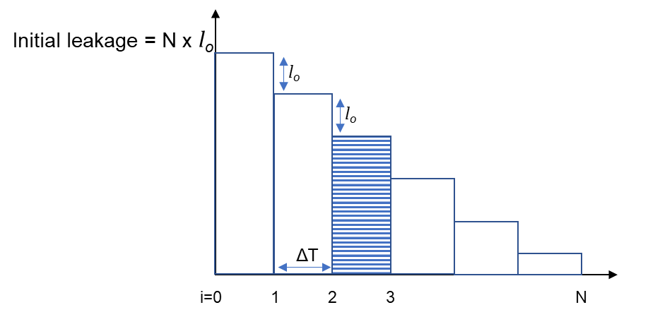

Figure: Decrease in backlog unreported leakage as each part of the distribution system is surveyed
As parts of the system are surveyed serially, the overall backlog of unreported leakage drops by l_{o} in each time step (the backlog unreported leakage per part).
At time step ‘i’, the survey would begin for the i^{th} part of the system. Thus, the only leakage would be from the parts that have not been surveyed yet (N - i), and the one part to be surveyed by the end of the current time step.
As parts of the system are surveyed serially, the overall backlog of unreported leakage drops by l_{o} in each time step (the backlog unreported leakage per part).
At time step ‘i’, the survey would begin for the i^{th} part of the system. Thus, during each time step, leakage would occur be from the parts that have not been surveyed yet (N - i), and one additionally part to be surveyed by the end of the current time step.
Number of parts not surveyed yet = (N – i) + 1
Each part will leak at l_{o} during the current time step ΔT as shown in the dashed part of the schematic. The water loss occurring in time step ‘i’ from all parts in the system due to only backlog leakage is represented as:
ΔT x l_{o} x (N – i + 1)
Water loss in parts of the system never surveyed:
Leakage level for each part increases as the rate of rise of leakage, till that part is surveyed. Thus, all the parts which have not been surveyed before are at the same leakage level by a particular time step.

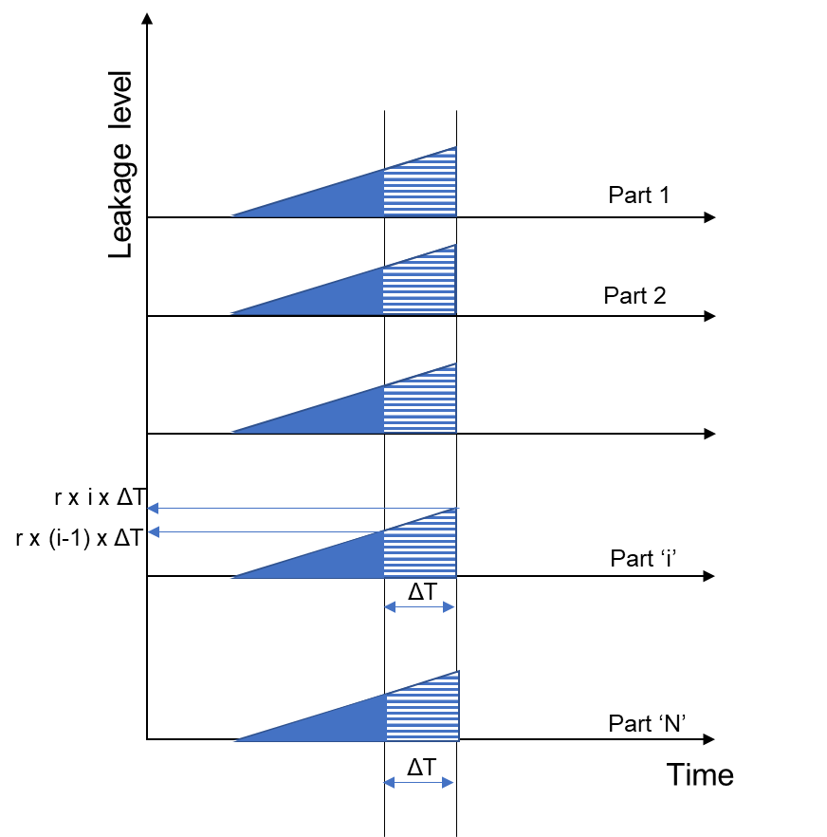

Figure: Rise in leakage in parts of the system never surveyed before.
The leakage occurring in each time step is the area under the curve traced by the leakage level and time. The area under the leakage curve for each time step, marked by the dashed area in the schematic, is as follows:
$\frac{1}{2}×\left(r×\left(i−1\right)×∆T+r×i×∆T\right)×∆T=\left(r×∆T×\left(i−0.5\right)\right)×∆T=r×{∆T}^{2}×\left(i−0.5\right)$
During the first survey, while the ‘i’^{th} part is being surveyed, (i-1) parts would have been surveyed. Hence, out of ‘N’ parts, (N - i +1) parts would remain to be surveyed and would have been leaking due to the naturally rising leakage.
The total leakage due to this component is: $\left(N−i+1\right)×\left(r×{∆T}^{2}×\left(i−0.5\right)\right)$
After the entire system is surveyed once, this component becomes zero.

Water lost only due to natural rise in leakage in parts of the system surveyed previously:
Each part of the system starts leaking after a survey as the leakage rises naturally in the distribution system after being surveyed. The leakage occurring in each time step is the rise in leakage that occurs over that time step for all parts in the system. Since this component of leakage occurs in previously surveyed parts, all parts are surveyed at different times.
The following schematic shows how leakage occurs in different parts of the system that have been surveyed before, in a time step, due to this component.

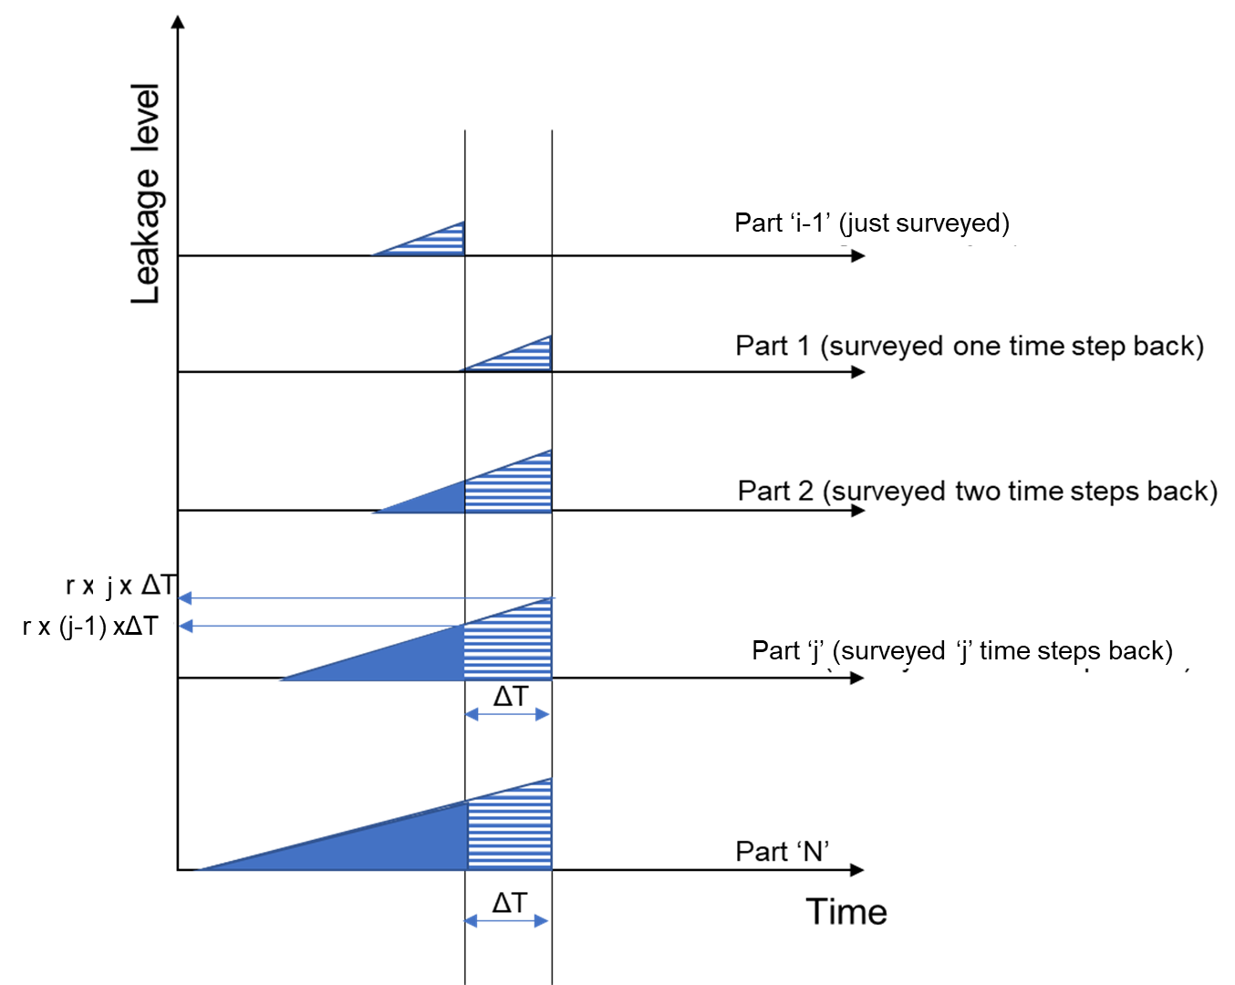

Figure: Rise in leakage in parts of the system that have been surveyed before.
The rise in leakage to the beginning of the time step is represented by:
Rate of rise of leakage x time passed prior to current time step
If ‘j’ time steps have passed, time passed after ‘j’ time steps = j × ΔT
The leakage level only due to natural rise in leakage, at the beginning of the ‘j’^{th} step, or at the end of the (j-1)^{th} step is = r × (j-1) × ΔT
The leakage level at the end of the ‘j’^{th} step is = r × j × ΔT.
The leakage volume lost during this time step is represented by the transition from the lower leakage level to the higher leakage level across time step ΔT, which is the area under the curve, which is a trapezoid, summed for all the parts of the system. Each part of the system will contribute to the overall leakage in this component as follows:
$Part 1:\frac{1}{2}×\left(0+r×1×∆T\right)$; $Part 2: \frac{1}{2}×\left(r×1×∆T+r×2×∆T\right)×∆T$; $Part 3: \frac{1}{2}×\left(r×2×∆T+r×3×∆T\right)$…; $Part i: \frac{1}{2}×\left(r×(j−1)×∆T+r×j×∆T\right)$
Simplifying the leakage volume lost during the ‘j’^{th} step for a single part as follows:
$=\frac{1}{2}×\left(r×(j−1)×∆T+r×j×∆T\right)$ $×∆T$
$=\frac{1}{2}×\left(r×j×∆T−r×∆T+r×j×∆T\right)$ $×∆T$
$=\frac{1}{2}×\left(2×r×j×∆T−r×∆T\right)×∆T$
$=\left(r×j×∆T−\frac{1}{2}×r×∆T\right)×∆T$
$=r×{∆T}^{2}×\left(j−\frac{1}{2}\right)$
If the distribution system is being surveyed for the first time, only ‘(j-1)’ parts have been surveyed when the ‘j’^{th} step begins, and will contribute to this element of leakage:
$$=r×{∆T}^{2}×\sum_{j=1}^{i−1}{\left(j−\frac{1}{2}\right)}$$
The summation of an integer is represented by:
$$\sum_{x=1}^{n}{x= }\frac{n×\left(n+1\right)}{2}$$
The summation of a constant is represented by:
$$\sum_{x=1}^{n}{c= }n×c$$
Thus,
$$=\sum_{j=1}^{i−1}{r×{∆T}^{2}×\left(j−\frac{1}{2}\right)}$$
$$= r×{∆T}^{2}×\left(\frac{\left(i−1\right)×\left(\left(i−1\right)+1\right)}{2}−\frac{\left(i−1\right)}{2}\right)$$
$$= r×{∆T}^{2}×\left(\frac{\left(i−1\right)×\left(i\right)}{2}−\frac{\left(i−1\right)}{2}\right)$$
$$= r×{∆T}^{2}×\left(\frac{i^{2}−2×i+1}{2}\right)$$
$$= r×{∆T}^{2}×\left(\frac{{\left(i−1\right)}^{2}}{2}\right)$$
If the system has undergone a complete survey and this is the next round of surveying, ‘N’ parts have been surveyed before, and all will contribute to this element of leakage. After one survey, and the backlog of leakage is reduced, this element of leakage is the only one that constitutes the overall leakage for the distribution system:
$$=\frac{1}{2}×r×{∆T}^{2}×N^{2}$$

Water loss occurring without intervention:
Without any intervention, the real loss for the system increases from the initial real loss (three-year average of real loss reported by supplier) increases with time at the natural rate of rise of leakage.

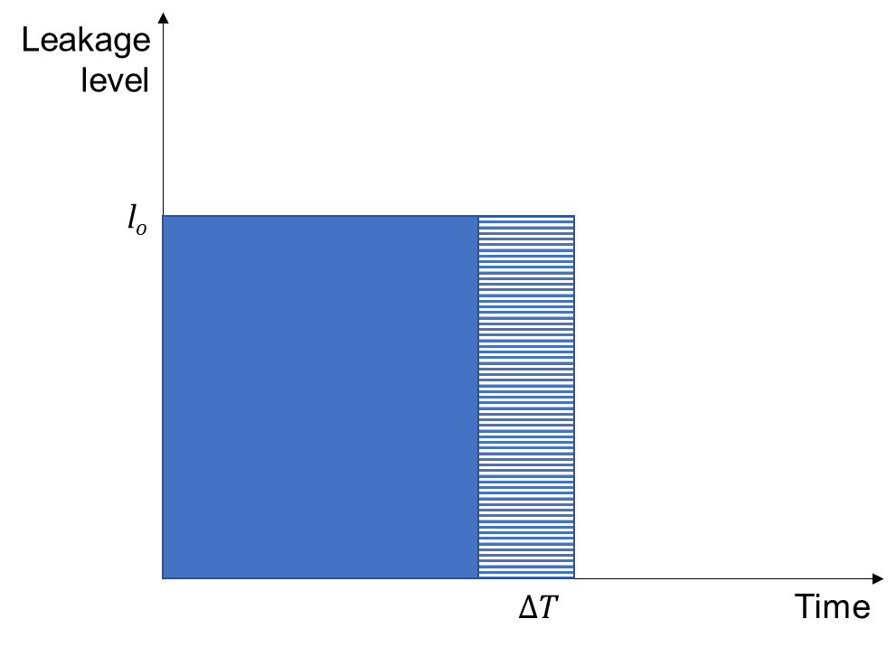

Without any intervention, it is assumed that suppliers would maintain the current or baseline real loss for the system (three-year average of real loss reported by supplier). Leakage without intervention for each part would be:
$=l_{o}×∆T$

CollectedData_References
Water Loss Economic Model - References and Data

References for default inputs in model :

1. Water loss audit reports, 2020, Department of Water Resources: https://wuedata.water.ca.gov/, Accessed: July 2020
2. American Water Works Association, 2016, Water Audits and Loss Control Programs (M36 Manual), Fourth Edition
3. Water Research Foundation, 2015, Water Audits and Real Loss Component Analysis, Report 4372a
4. A.O. Lambert, 1999, A review of performance indicators for real losses from water supply systems. Journal of Water Supply: Research and Technology Vol. 48, No. 6, pp 227-237.
A. O. Lambert, 2002, International Report: Water losses management and techniques. Water Science and Technology: Water Supply Vol 2 No 4 pp 1-20.
A. O. Lambert, 2009, Ten Years Experience in using the UARL Formula to calculate Infrastructure Leakage Index. Paper presented at the IWA Water Loss Specialist Conference.
5. European Union, 2015, EU Reference document Good Practices on Leakage Management: Main Report
6. American Water Works Association Water Loss Control Committee, 2003, Committee Report: Applying worldwide BMPs in water loss control, Volume 95, Issue 8, Pages 65-79
7. California Rural Water Association, 2015, Water System Leak Identification and Control Field Evaluation, Emerging Technologies Report:ET13PGE1451, Pacific Gas and Electric Company
8. Pacific Institute, 2016, The Cost of Alternative Water Supply and Efficiency Options in California
9. Natural Resources Defense Council, 2016, Issue Brief: Proceed with Caution II: California's Droughts and Desalination in Context
10. Guar and Diagne, 2017, California Water Rate Trends, Journal of AWWA

Value of Water

Alternative water supplies |  | Cost (2015 dollars) | Costs (2019 dollars) | Cost (2020 dollars) | Consumer price index for 2015 | Consumer price index for 2019 | Consumer price index for 2020
Stormwater |  | 590 | 656.36 | 667.79264654 | 243.015 | 270.35 | 275.057
Indirect potable reuse |  | 1800 | 2002.47 | 2037.3334979
Brackish water desalination |  | 1100 | 1223.73 | 1245.0371376
Imported water (Metropolitan Water District,2019): $ 1015 per acre-feet |  | 1015 | 1129.17 | 1148.8297224

 | Average avoided cost ($): | 1275

Lambert (2009) Table 1: Reported and Unreported Leakage
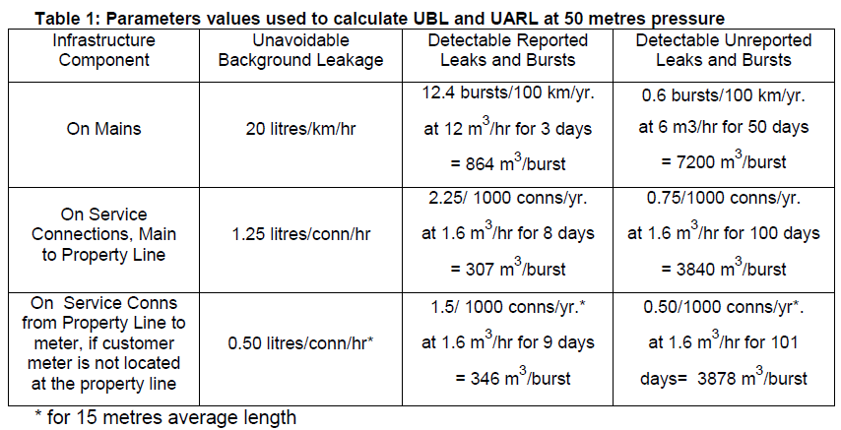

Collected Data

Typical number of miles surveyed per day
Services provided by Municipal Water District of Orange County: 10 miles a week ~ 2 miles a day ~ 40 miles per month
Services provided by M.E. Simpson: 5 miles a day ~ 100 miles per month
Irvine Ranch Water District: 3.5 miles per day ~ 70 miles per month
Services used by Water Systems Optimization in Nashville, TN: 6 miles per day ~ 120 miles per month
East Bay Municipal Utility District: 74 miles of manual surveying; 61 miles of automated acoustic surveying; 1236 miles of satellite surveying throughout the year ~ 114.25 miles per month
The following surveying schedule has been planned for member agencies of the Municipal Water District of Orange county
Agency | Total length of mains (Miles) | Target Miles (Annual) | % of system planned to be surveyed annually
Seal Beach | 75 | 75 | 100%
TCWD | 66 | 66.5 | 101%
La Habra | 165 | 83 | 50%
Tustin | 172 | 102 | 59%
EOCWD | 23.7 | 48 | 203%
Huntington Beach | 607.2 | 18 | 3%
Mesa | 328.4 | 32 | 10%
Orange | 462 | 30 | 6%
San Clemente | 212.6 | 30 | 14%
YLWD | 367.1 | 110 | 30%

Systems above 6000 miles of distribution pipeline:
Los Angeles Department of Water and Power is the only system with distribution system pipeline greater than 6000 miles. As per conversations, LADWP is currently planning its active leak detection program. To address the size of the system, and estimate a reasonable leak detection survey rate, staff compared its total operating cost with that of East Bay Municipal Utility District. LADWP has an operating budget of $1,194,818,812 per year, and EBMUD has an operating budget of $345,821,000 per year, and surveys 114 miles per month. LADWP has about 3.5 the operating budget of EBMUD, hence staff estimated a leak detection survey rate of about 15 additional miles per month, rounded up to 130 miles per month.

Leak detection costs - Summary (Scroll down for cost estimates)
Equipment type | Lifecycle | Efficiency range | Average efficiency
Leak Survey | 4 - 7 years | 98 - 99%a | 98.5
Leak Pinpoint | 9 - 10 years | 50 - 92%b | 71
 |  |  | 70% | Product of efficiencies for surveying and pinpointing
a. Highly trained and experienced staff.
b. Expected Efficiency of a new program (variable).
c/d. Costs are total costs per mile, including labor and equipment cost. Variances in costs are also due to size of survey, type of pipe material and logistical issues withing the water system.

Unit cost per mile (survey and pinpointing)
$177 - $595

Provided by Kunkel Water Efficiency Consulting
Leak detection cost estimates (including surveying and pinpointing)
Location of contractor | Type of piping | Unit cost per mile
Cleveland, Ohio | Metallic | $177
National | Metallic | $185 (local) - $275 (non-local)
 | Plastic | $395 (local) - $495 (non-local)
Regional (small water utilities) | Metallic | $300
 | Plastic | $400

Provided by Water Systems Optimization
Unit cost per mile | Additional details
$250 - $400 | Includes surveying and pinpointing

Provided by M.E. Simpson
Pipe material | Unit cost per mile
Metallic | $295
Plastic | $595

 | Life cycle
Listening devices | 7 years
Correlators | 9 - 10 years

Provided by the Municipal Water District of Orange County per their Shared Services Agreement (Fiscal Year 2019-20)
Unit cost | Additional detail
$278 per mile (Under 50 miles) $350 per mile (50 - 100 miles) $300 per mile (Over 100 miles) | Deliverables include: Distribution System Leak Detection Plan and Weekly progress reporting and leak verification (All indications of leaks found during initial survey will be verified a second time, after which the leak will be pinpointed with a computer-based leak sound correlator whenever possible.)
$347 per leak | Includes: Suspected leak consultation, Field leak investigation, Written report and pinpointed leak location
Average cost per mile including correlation | 353.53 | Calculated based on 0.75 leaks per 1000 service connections and 0.01 main leaks per mile. The median number of connections per mile of main was 74.

From the Los Angeles Water Action Plan (2015)
Total capital costs | $3,000
(equipment, one-time)
Present value of annuity factor | 8.32
Annualized cost over lifecycle | $361
Total Operations and Maintenance (per year) | $183,000
Miles to be surveyed | 720
Unit cost per mile ($) | $254.7

Other cost estimates from vendors
Vendor - Subsurface
Type | Equipment | Part # | Items Incld. | Unit Cost | Upfront Cost
Acoustic Leak Detection | Listening Rod + Ground Microphones | LD-12a | 1 | $3,695.00 | Included in unit cost
 |  | w/ optional 6ft sensor cable |  | $35.00
 |  | LD-15b | 1 | $3,750.00
 |  | 40 in. extension rod |  | $75.00
 |  | 60 in. extension rod |  | $95.00
 |  | Sensor w/ steel base & adapter |  | $30.00
 |  | LD-18b | 1 | $5,995.00
 |  | Sensor w/ magnet & 9.8 ft cable |  | $750.00
 |  | 40 in. extension rod |  | $105.00
 |  | 60 in. extension rod |  | $125.00
Correlator | Leak Noise Correlators | ZCorr3c | 3 | $8,495.00
 |  | ZCorr8d | 8 | $15,995.00
 |  | LC-5000 | 4 | $32,000.00

 | a. LD-12 Series includes apmlifier, meter display unit, ground microphone, headphones, 10mm nutfriver, aluminum sensor base and 39" contact rod.
 | b. LD-15/18 Series includes apmlifier w/meter display unit, 9.75 ft long cable, base plate, and headphones.
 | c. ZCorr3 includes 3 digital correlating loggers, 1 docking station (supports up to 8 loggers) and basic software.
 | d. ZCorr8 includes 8 digital correlating loggers, 1 docking station (supports up to 8 loggers) and PRO software.
 | e. LC-5000 includes 4 wireless/GPS correlator (real time and programmable), 5 charging cables and headphones.
 | * Pricing does not include applicable taxes or shipping costs.
 | http://www.subsurfaceleak.com/waterleakdetec.html

Vendor - Sewerin
Type | Equipment | Part # | Items Incld. | Unit Cost
Acoustic & Special Leak dectetion | Stethophon 04 Kita | EA15-10002B | Single Unit | $1,415.00
 |  | EA15-10002S |  | $1,885.00
 |  | EA15-10002C |  | $1,969.00
 | Stethophon 04 SDR Kita | EA15-10102B |  | $1,766.00
 |  | EA15-10102S |  | $2,236.00
 |  | EA15-10102C |  | $2,320.00
 | Aqua Test T-10 Kitb | EA16-10002B |  | $2,352.00
 |  | EA16-10002C |  | $2,634.00
 |  | EA16-10002P |  | $3,049.00
 | Aqua Test T-10 SDR Kitb | EA16-10102B |  | $2,885.00
 |  | EA16-10102C |  | $3,167.00
 |  | EA16-10102P |  | $3,581.00
 | Aquaphon A50 Kit "Entry Level Pro." | EA50-10002BP |  | $3,225.00
 |  | EA50-10002C |  | $3,969.00
 |  | EA50-10002P |  | $4,996.00
 | Aquaphon A50 SDR Kit | EA50-10011B |  | $3,708.00
 |  | EA50-10011C |  | $4,478.00
 |  | EA50-10011P |  | $5,506.00
 | Aquaphon A100 Pro Kit "Stnd Pro kit" | EA14-10222B |  | $5,552.00
 |  | EA14-10222P |  | $7,082.00
 |  | EA14-10222C |  | $8,250.00
 | Aquaphon A200 Pro Kit "Pro. Kit" | EA20-10022B |  | $5,952.00
 |  | EA20-10022PB |  | $7,908.00
 |  | EA20-10022P |  | $9,085.00
 |  | EA20-10022C |  | $10,132.00
 | Combiphon Striker Kitc | SA01-10002K |  | $4,207.00
 | Combiphon Stopper Kit | SA01-10002S |  | $4,930.00
 | Combiphon Complete Kit | SA01-10002C |  | $6,459.00
 | Variotec VT 460 Tracergas Kit | VT10-10502B |  | $7,659.00
Logger/Correlator | SeCorr C200 Kit | KR20-10202B | 2 | $10,495.00
 | SeCorrPhon AC200 Kit | KR08-22202B | 2 | $14,866.00
 |  | KR20-20202P | 2 | $16,249.00
 | SeCorr 300 Digital Correlator Pro Kit | KR30-S0004P | 2 | $20,214.00
 | SePem 01 Starter Kit | SF01-10002S | 10 | $9,455.00
 |  | SePem 155 Logger | 1 | $685.00

Vendor - FCS
Type | Equipment | Part # | Items Incld. | Unit Cost | Upfront Cost
Acoustic Leak Detection | DXMic System | DXMICSYS | 1 | $4,950.00 | Included in unit cost
 | DXMic Pro System | DXPROSYS | 1 | $5,380.00
 | Bmic System | BMICSYS | 1 | $4,950.00
 | TMic - FCS Portable Electronic Listening Stick | TMICFCS | 1 | $995.00
 | L-Mic System | LMICSYS | 1 | $1,950.00
 | L-Mic System Deluxe | LMICSYSDEL | 1 | $3,950.00
Correlator / Logger | S-30 System | S30SYS | 1 | $4,500.00
 | TriCorr Touch Pro | TCTOUCH |  | $25,000.00
 | Hydrophone Kit | HYDKITMCTUSA | 1 | $9,144.00
 | Additional Correlating Pods | RDL 5014L/4 | 1 | $1,700.00
 | 3 Pod with 8 Pod Case | - | 3 | $11,885.00
 | 4 Pod with 8 Pod Case | - | 4 | $13,202.00
 | 6 Pod with 8 Pod Case | - | 6 | $15,428.00
 | 8 Pod with 8 Pod Case | - | 8 | $17,950.00
 | Permalog+
 | 1-25 Permalogs | PR4US | 1 | $700.00
 | 26-50 Permalogs | PR4US | 1 | $650.00
 | 51-100 Permalogs | PR4US | 1 | $600.00
 | 101-200 Permalogs | PR4US | 1 | $550.00
 | 201-300 Permalogs | PR4US | 1 | $500.00
 | 301-500 Permalogs | PR4US | 1 | $450.00
 | 501-750 Permalogs | PR4US | 1 | $400.00
 | 751 + Permalogs | PR4US | 1 | $350.00
 | Pcorr+
 | 1-25 Pcorr+ | PR5US | 1 | $800.00
 | 26-50 Pcorr+ | PR5US | 1 | $750.00
 | 51-100 Pcorr+ | PR5US | 1 | $700.00
 | 101-200 Pcorr+ | PR5US | 1 | $650.00
 | 201-300 Pcorr+ | PR5US | 1 | $600.00
 | 301-500 Pcorr+ | PR5US | 1 | $550.00
 | 501-750 Pcorr+ | PR5US | 1 | $500.00
 | 751 + Pcorr+ | PR5US | 1 | $450.00

 | * Pricing does not include applicable taxes or shipping costs.
 | http://www.subsurfaceleak.com/waterleakdetec.html

Vendor - SEBA
Type | Equipment | Part # | Items Incld. | Unit Cost | Upfront Cost
Acoustic Leak Detection | HL-7000 Electro-Acoustic Leak Detector | seba-HL7000-US-PRO | 1 | $5,595.00 | Included in unit cost
 | HL50 Bluetooth Municipal Digital Leak Locator | SEBA-HL50BT-kit | 1 | $2,150.00
 | Listining Rod add on | PAM T-3-1 | 1
Correlator/Logger | N3-C10: 1 Commander 3a | SEBA-WP12389 | 1 | $14,500.00
 | N3-M logger add on | SEBA-WP12391 | 31 | $21,700.00
 | Correlux C-3 Seba Pro Correlatorb | SEBA-WP12399 | 1 | $22,000.00

 | a. Includes 10 Loggers
 | b. Includes 3 Correlators
 | * Pricing does not include applicable taxes or freight.

Vendor - Gutermann
Type | Labor | External Vendor | DI | PVC | AC | Median | Average
Acoustic Leak Detection | 50 < miles $278 / mi 50 > 100 mile $350 / mi 100 > miles $300 / mi | $295 / mile for metal pipes $595 / mile for non-metallic pipe | 93.70% | 82.30% | 66.60% | 82.30% | 80.87%

Correlator / Logger

Repair costs
From Irvine Ranch Water district
Repair costs for leaks found in area surveyed ($) | Average Cost/Foot | Leak Repair Rangea |  | Reported Water Saved | 2" & 3" PVC | 4" PVC | 6" PVC | 6" ACP | 8" C-900 / ACP | 8" DIP | 10" ACP | 12" CML/ACP | 16" CML&C

$234,000.00 | $207.00 | $3500 - $30000 |  | 263 AF | $3000 - 5,000 | $3000 - 6,000 | $4000 - 6,000 | $3000 - 12,000 | $3000 - 9,000 | $6,000 | $4000 - 6,000 | $6000 - 15,000 | $4000 - 31,650 | 2018

 |  |  |  |  | $2000 - 6,000 | $4000 - 9,000 | $4000 - 9,000 | $4000 - 5,000 | $4000 - 6,000 | $12,000 | $7,000 | $15,000 | $6000 - 12,000 | 2017
 |  |  |  |  |  |  |  |  |  |  |  |  |  |  | Average
 |  |  |  |  | Averages: | $4,000 | $5,500 | $5,750 | $6,000 | $5,500 | $9,000 | $5,667 | $12,000 | $13,413 | $7,425

From Pacific Gas and Electric's Report ET13PGE1451: Water System Leak Identification and Control Field Evaluation (2015) |  |  |  |  |  |  |  |  | Irvine ranch Water District (Transposed)
Repairs costs for the leaks detected: |  |  |  |  |  |  |  | 2" & 3" PVC |  | $3000 - 5,000 |  | $2000 - 6,000 |  | Averages:
Tehama County Water system | Kings County Water System | Alpine County Water System | Madera County System |  | PG&E |  |  | 4" PVC |  | $3000 - 6,000 |  | $4000 - 9,000 |  | $4,000
$2,745.00 | $2,500.00 | $2,500 | $1,500 |  | Average cost: | $4,466 |  | 6" PVC |  | $4000 - 6,000 |  | $4000 - 9,000 |  | $5,500
 |  | $6,000.00 | $1,500 |  |  |  |  | 6" ACP |  | $3000 - 12,000 |  | $4000 - 5,000 |  | $5,750
 |  | $7,900.00 |  |  |  |  |  | 8" C-900 / ACP |  | $3000 - 9,000 |  | $4000 - 6,000 |  | $6,000
 |  | $4,100.00 |  |  |  |  |  | 8" DIP |  | $6,000 |  | $12,000 |  | $5,500
 |  | $8,600.00 |  |  |  |  |  | 10" ACP |  | $4000 - 6,000 |  | $7,000 |  | $9,000
 |  | $7,500.00 |  |  |  |  |  | 12" CML/ACP |  | $6000 - 15,000 |  | $15,000 |  | $5,667
 |  | $6,800.00 |  |  |  |  |  | 16" CML&C |  | $4000 - 31,650 |  | $6000 - 12,000 |  | $12,000
 |  | $1,950.00 |  |  |  |  |  |  |  | 2018 |  | 2017 |  | $13,413

Based on these data sets, the average repair cost is estimated to be: |  |  | $5,946

Repair costs for laterals and service line leaks

Provided by Kunkel Water Efficiency Consulting based on the Philadelphia Water Department leak detection program
Type of leak | Unit repair cost per leak
Service leaks | $108
Abandoned services | $1,100
Hydrant leaks | $215
Valve leaks | $215
Average unit cost: | $410
(assuming equal probability for all types of leaks)

Provided by Water Systems Optimization Inc.
Typical costs per leak: | $3500 - $5000
Average cost per leak | $4,250
(assuming equal probability for all types of leaks)

Average cost per leak using these estimates:
$2,330

