sources
6/4/2018, Marin Greenwood

Regression equations from Kimmerer et al. (2009) |  | Months from Kimmerer (2002)

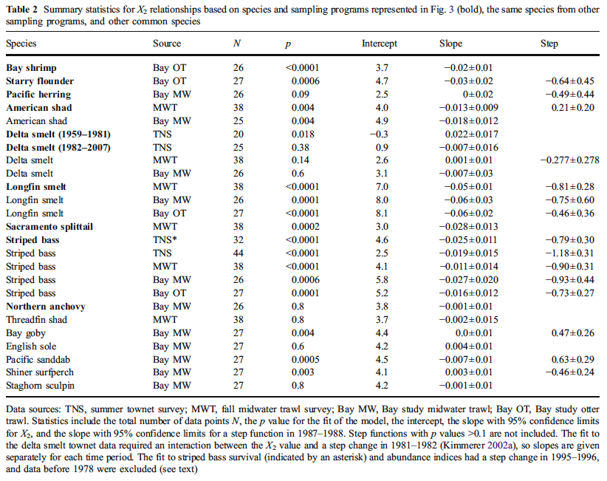

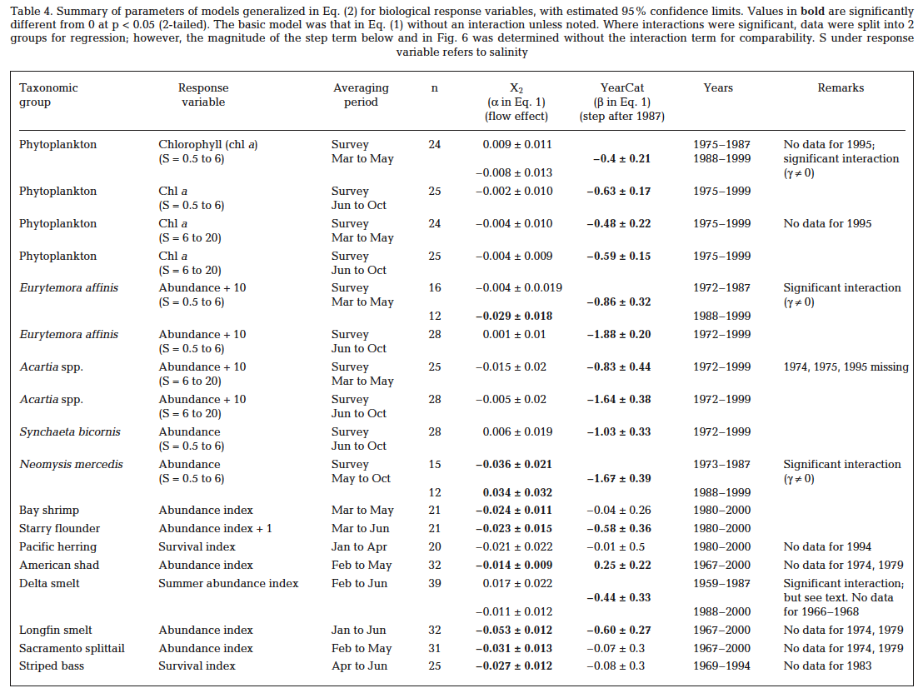

The X2 data came from: | MultStyMonthlyCompare_revPP_currentWYT_st1_st2_122517_noDSS.xlsm

